Teklif Ürün
Sıra No | Deniz Katalog No | Barkod No | Etiket Adı Türkçe | Miktar
1 | DC 56.23013 | 8682577072226 | Finocchietto Göğüs Ekartör 31mmx45mmx145mm | 1
2 | DC 28.15214 | 8682577030554 | Mayo Alet Askısı 14Cm/5 1/2 | 1
3 | H 32.50001 | 8682577088579 | 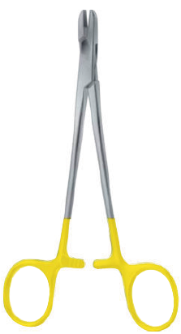 Tel Tutma Forsepsi TC Hart Metal BJ 15 Cm | 1
4 | DC 18.10215 | 8682577019825 | Farabeuf Ekartör 15 Cm/6/6 İkili Set | 2
5 | DC 18.34118 | 8682577022641 | Cushing Kocher Ekartör 10 X 10mm17Ç5 Cm | 2
6 | DC 40.05420 | 8682577044865 | Crile Sinir Kancası 20 Cm | 1
7 | DC 06.10400 | 8682577001318 | Bistüri Sapı No:4 13.5 cm | 2
9 | DC 06.10600 | 8682577001387 | Bistüri Sapı No. 3 Uzun 21.5 cm | 1
10 | DC 10.25620 | 8682577008911 | Russ.Modell Doku Penseti 20 Cm/8 | 1
11 | DC 10.28220 | 8682577009093 | Waugh Doku Penseti 1:2 Dişli 20 Cm/8 | 3
12 | DC 11.30620 | 8682577010136 | De Bakey Atravmatik Doku Penseti 1.5mm 20 Cm/8 | 2
13 | DC 11.30820 | 8682577010211 | De Bakey Atravmatik Doku Penseti 2.0mm 20 Cm/8 | 5
14 | DC 10.11025 | 8682577007730 | Diseksiyon Penseti Dar Açılı 25 Cm/10 | 1
15 | DC 14.11313 | 8682577018910 | Backhaus-kocher Towel Clamps 13.5 Cm | 18
16 | DC 14.14016 | 8682577019054 | Barnhard Çamaşır Klempi BJ 16.5Cm/6 1/2 | 2
17 | DC 12.24014 | 8682577012741 | Kelly Hemostatik Klemp BJDüz 14Cm/5 1/2 | 1
18 | DC 12.31114 | 8682577013090 | Rochester-Pean Hemostatik Klemp BJ Eğri 14Cm/5 1/2 | 12
19 | DC 16.10914 | 8682577019146 | Gross - Maier Pansuman Klempi Kilitli 14.5 Cm | 16
20 | DC 28.15214 | 8682577030554 | Mayo Alet Askısı 14Cm/5 1/2 | 2
21 | DC 12.71020 | 8682577016176 | Murphy Tüp Klempi BJ 20 Cm/8 | 13
22 | DC 12.22112 | 8682577012543 | Halstead-Masquito Hemostatik Klemp BJ Eğri 12Cm/4 3/4 | 1
25 | DC 13.14122 | 8682577016770 | Glover Atravmatik Coarctation Klemp BJ 22Cm/8 3/4 | 1
27 | DC 13.21320 | 8682577017111 | Lambert-Kay Atravmatik Aortic Anastomosis Klemp BJ 21Cm/8 1/4 | 1
28 | DC 13.44118 | 8682577018194 | Cooley-Derra Atravmatik Anastomosis Klemp BJ 18 Cm/7 | 1
29 | DC 13.27025 | 8682577017470 | Organ Grasing Forceps BJ 25 Cm/10 Atravmatik | 2
30 | DC 64.17020 | 8682577074053 | Duval Organ Tutma Forsepsi BJ 20 Cm/8 | 1
31 | H 07.28118B | 8682577085295 | Metzenbaum Diseksiyon Makası, Eğri, Exclusive Cut Seramik 18cm | 2
32 | H 08.28123 | 8682577085776 | 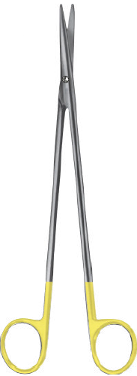 Metzenbaum-Fine Diseksiyon Hard Metal TC Makas Eğri 23 Cm/9Künt/Künt | 1
33 | H 24.18418 | 8682577086889 | 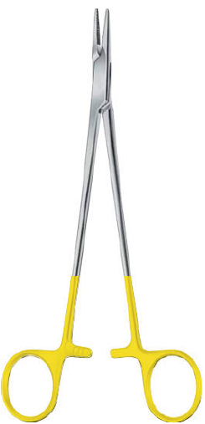 Mayo-Hegar Portegü Altın Saplı TC BJ 18 Cm/7 | 4
34 | H 24.21420 | 8682577087008 | 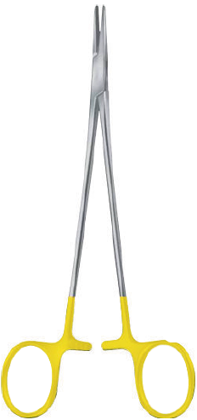 De Bakey Portegü Hard Metal TC 20 0.4MM Cm/8 | 1
35 | DC 12.50723 | 8682577015612 | 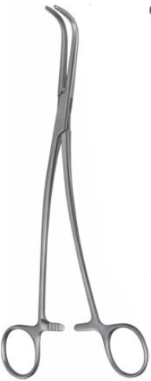 Gray Gall Duct Klemp BJ 23 Cm/9 Fig # 2 | 1
36 | DC 12.43428 | 8682577015100 | Kantrowitz Diseksiyon ve Dikiş Klemp 27.5 Cm | 1
37 | H 24.77421 | 8682577087985 | Toledo Mikro Altın Saplı TC Portegü KilitliDüz 21Cm/8 1/4 Dişsiz | 3
38 | H 24.77521 | 8682577088081 | Toledo Mikro Hard Metal TC Portegü Kilitli Eğri 21Cm/8 1/4 Dişsiz | 2
39 | DC 09.23490 | 8682577006306 | Mikro Damar Makası 90º 16.5Cm/7 | 1
40 | DC 09.23445 | 8682577006269 | Mikro Damar Makası 45º 16.5Cm/7 | 1
41 | DC 09.23490 | 8682577006306 | Mikro Damar Makası 90º 16.5Cm/7 | 1
42 | DC 11.57418 | 8682577010952 | Yasargil 1*0.5mm Mikro Penset 18 Cm/7 | 4
43 | DC 12.11220 | 8682577012246 | De Bakey Hees Klemp 20 mm | 8

